Review
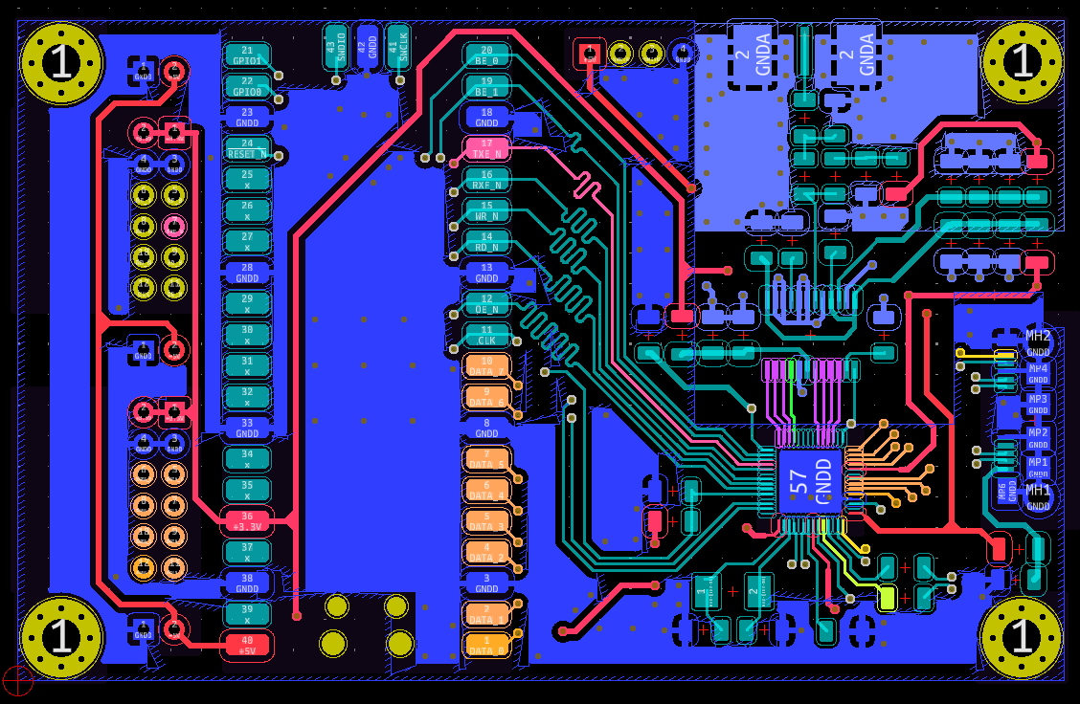
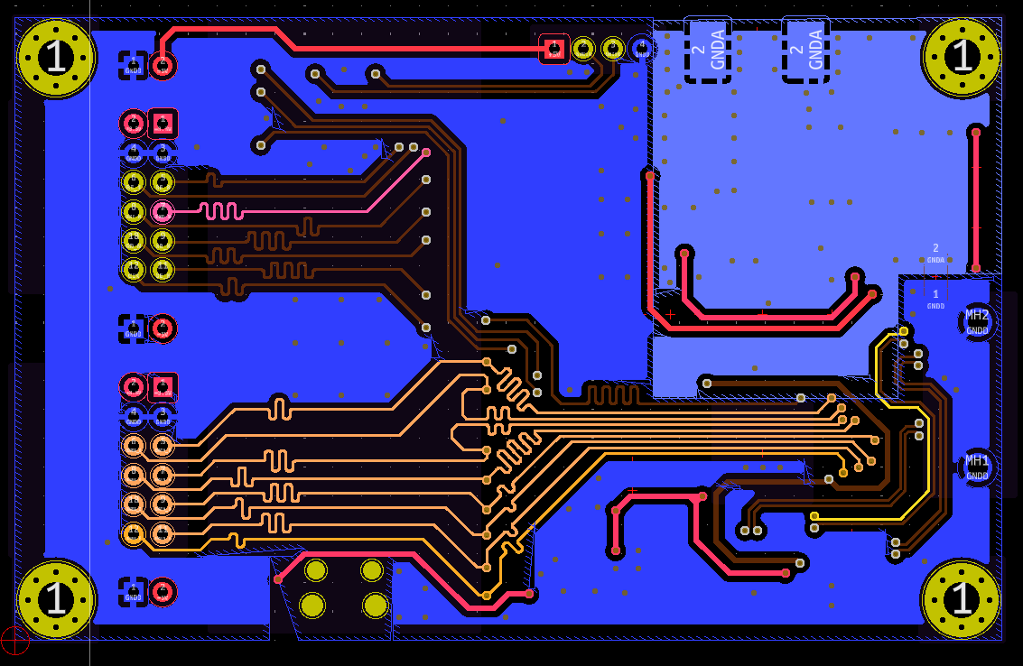
Appendix
 | Dade | NO. | Confirmation status | Request Details |  | Board design (AW) confirmation
 | 2024-11-11 | 1 | OK | Review again PCB layout |  | Not find any problem

 |  | 2 |  | check power line
 |  |  |  |  | 5V
 |  |  |  |  | 3.3V

